Sheet1
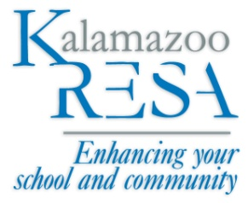
Petty Cash Summary |  |  | Kalamazoo Regional
INTERNAL ACCOUNTS |  |  | Educational Service Agency
 |  |  | 1819 East Milham Road
 |  |  | Portage, MI 49002-3035
 |  |  | (269) 250-9365

Petty Cash Custodian: |  |  | Vendor Number:
Department: | Business Office |  | Date:

DATE | DESCRIPTION/PURPOSE | ASN NO. | VOUCHER NO. | AMOUNT

 |  |  | Total Voucher Amount: | 0.00
 |  |  | Cash On Hand Before Reimbursement:
 |  |  | Total Petty Cash Allowance Should Equal $450: | 0.00

 | ASN Summary:

 |  |  | Total of Reimbursement Check Requested | 0.00

 | Signature
 |  |  | Department Head

